Statistical & Business Insights
 | 1st Moment |  | 2nd Moment |  | 3rd Moment |  | 4th Moment |  |  | Graphical Representation
Column Name |  |  |  |  |  |  |  |  |  |  |  |  |  |  |  |  |  |  |  | Bivaritate Analsys |  | Multi Variate Analysis
 | Mean/Median/Mode | Statistical Insight | Variance/Standard Deviation/Range | Statistical Insight | Skewness | Statistical Insight | Kurtosis | Statistical Insight | Business Insights | Histogram | Statistical Insight | Bar Chart | Statistical Insight | QQ Plot | Statistical Insight | Box plot | Statistical Insight | Time series plots | Statistical Insight | Scatter Plot | Statistical Insight | Heat Map | Statistical Insight | Multivariate Analysis Business Insights | Column Wise Business Insight
dept_id | NA | NA | NA | NA | NA | NA | NA | NA |  | NA | NA | NA | NA | NA | NA | NA | NA | NA | NA |  | NA | NA | NA | NA
hospital_id | mode:H001 | H001 is the only hospital ID available | NA | NA | NA | NA | NA | NA |  | NA | NA | NA | NA | NA | NA | NA | NA | NA | NA | NA | NA | NA | NA | NA
dept_name | NA | 10 unique value of department name | NA | NA | NA | NA | NA | NA |  | NA | NA | NA | NA | NA | NA | NA | NA | NA | NA | NA | NA | NA | NA | NA
dept_type | mode:clinical | clinical is the only value present in the department type | NA | NA | NA | NA | NA | NA |  | NA | NA | NA | NA | NA | NA | NA | NA | NA | NA | NA | NA
bed_count | mean:80 median:80 mode:80 | The hospital bed count data shows a perfectly symmetrical distribution with no variation, indicating that most hospitals consistently have around 80 beds. | Standard Deviation: 28.47 Variance: 8.11 | The bed count shows moderate variability around the mean, indicating that while the average is 80, some hospitals have significantly higher or lower bed counts. | 0.9352 | The hospital bed count distribution is moderately positively skewed, meaning more hospitals have bed counts below the mean, with a few hospitals having much higher bed counts. | 0.74422899354 | The hospital bed count distribution is platykurtic, indicating lighter tails and a flatter peak than a normal distribution, meaning fewer extreme outliers. | The bed count is consistently around 80 with moderate variability, slightly skewed toward higher values, indicating stable capacity but potential to accommodate more patients during peak demand. | 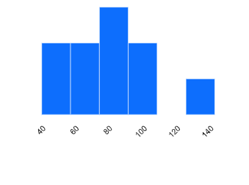 NA | The histogram of bed count shows that most hospital departments have between 60–100 beds, with the highest concentration around 80 beds. Fewer departments fall below 60 or above 120 beds, indicating that mid-sized departments are most common, while very small and very large units are relatively rare. | 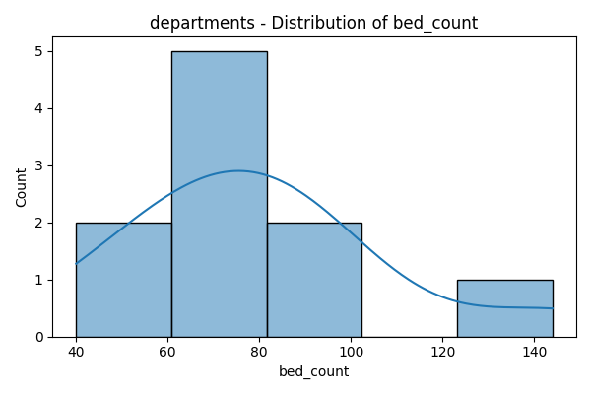 | The distribution of bed count across departments shows that most departments fall within the 60–80 bed range, making it the most common capacity segment. A few departments have lower counts (around 40–50) or higher counts (above 120), but these are less frequent. Overall, the data suggests that hospitals are largely structured around medium-sized departments, with very small and very large ones being exceptions. | NA | NA | 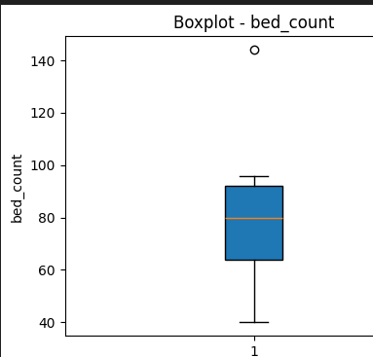 NA | The boxplot of bed_count shows that most departments have bed counts between 65 and 95, with a median around 80. The lower end extends to about 40 beds, while the upper whisker reaches close to 100 beds. There is one outlier above 140 beds, representing a department with significantly higher capacity than the rest. This indicates that most hospital departments are mid-sized, with a rare large-capacity unit. | NA | NA | 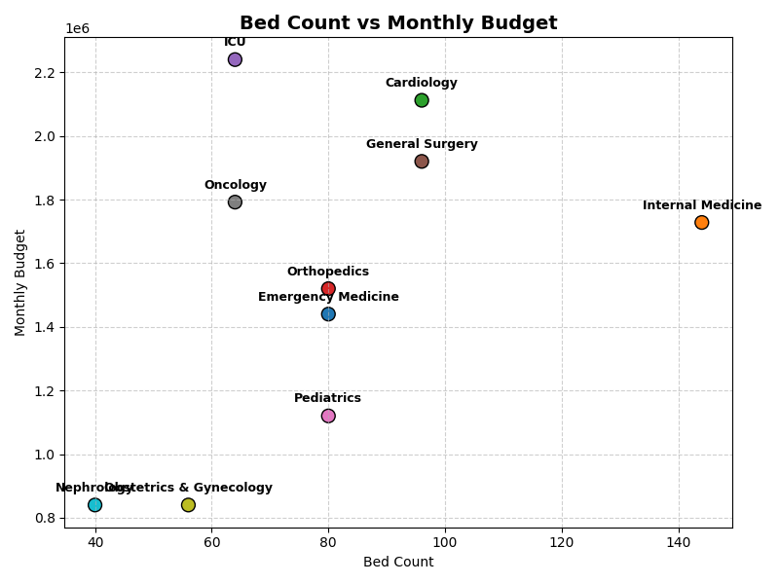 | The chart shows that higher bed counts generally align with larger budgets, but specialized units like ICU and Oncology demand high budgets despite fewer beds. Internal Medicine has the most beds but a comparatively moderate budget, indicating cost efficiency. Overall, budgets scale with capacity but rise sharply in resource-intensive departments. | 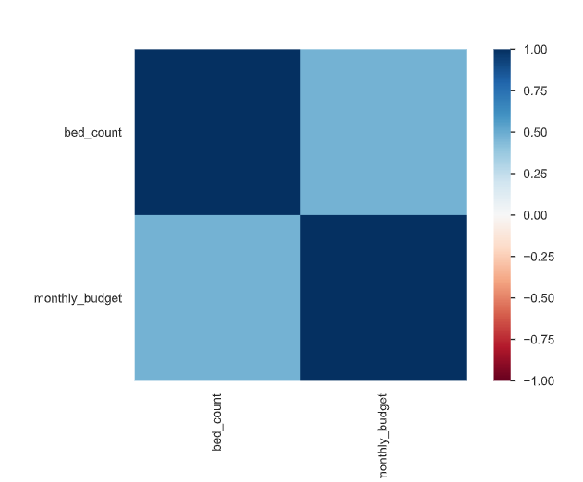 | The heatmap shows a strong positive correlation between hospital bed count and monthly budget. This means hospitals with more beds generally have higher budgets. The relationship appears almost linear, suggesting budget scales proportionally with capacity. This insight can help in forecasting budget needs based on bed capacity.
monthly_budget | mean: 1555200 median:1624000 mode:840000 | The Ctn Qty values show a slight skew, with a mean of 57, a median of 54, and a mode of 96, indicating that while most cartons contain fewer than 57 items, 96 items per carton is the most common quantity, suggesting frequent larger shipments. | Standard Deviation: 39 Variance: 1554 | variance: Relatively low variance indicates carton quantities are fairly consistent Data points tend to cluster close to the mean Suggests standardized shipping quantities for cartons | 2.926408 | Indicates a highly right-skewed distribution. Most Ctn Qty values are concentrated on the lower end, with a few extremely large values. | 79.597855 | The monthly budget has platykurtic distribution, meaning spending is relatively consistent with fewer extreme highs or lows. | The hospital’s monthly budget is usually around 1.6M, but sometimes it drops much lower, showing inconsistency in a few months. Overall, spending is fairly predictable with only moderate ups and downs, meaning finances are generally stable. | #VALUE! |  | 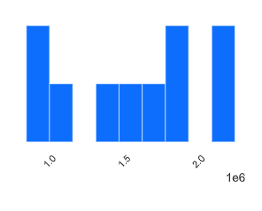 | The histogram of monthly_budget shows that budgets are spread across a wide range, mostly between 1.0M and 2.0M. There are noticeable peaks around the lower end (~1.0M) and the higher end (~2.0M), suggesting two clusters of departments with either modest or high budget needs. Mid-range budgets (~1.4M–1.7M) are also present but less dominant, indicating variation in resource allocation across departments. |  |  | 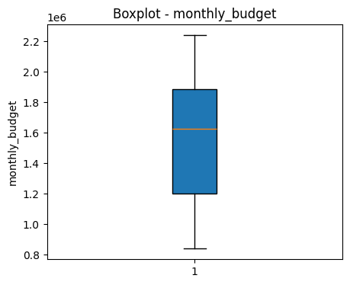 | The boxplot of monthly_budget shows that most hospital departments have budgets between 1.2M and 1.9M, with a median around 1.6M. The lower budgets extend to about 0.9M, while the highest reach above 2.2M, but no extreme outliers are visible. This indicates budgets are fairly spread but concentrated around mid-to-high values, reflecting balanced resource allocation across departments. | NA | NA
head_physician_id | NA | NA | NA | NA | NA | NA | NA | NA | NA |  |  | NA | NA |  |  |  |  | NA
po_id | NA | NA | NA | NA | NA | NA | NA | NA | NA |  |  | NA | NA |  |  |  |  | NA | NA | NA
vendor_id | mode: V001 | Amongst the 9 vendor id, V001 is the most frequently occuring vendor id. | NA | NA | NA | NA | NA | NA |  | 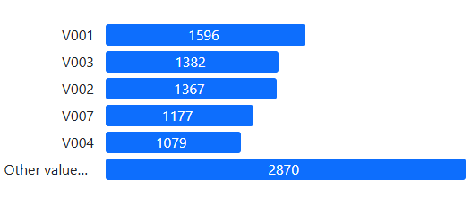 | Vendor V001 is the most engaged supplier, followed closely by V003 and V002, indicating a concentrated reliance on a few key vendors. | NA | NA | NA | NA |  | NA | NA | NA | NA | NA
sku_id | mode: SKU00001 | SKU00001 is the most common SKU ID, indicating the most used SKU | NA | NA | NA | NA | NA | NA |  |  | NA |  |  |  | NA | NA | NA | NA | NA | NA | NA
delivery_date | NA | NA | range: 723 days | range: 364 days - Almost two years of delivery date data | NA | NA | NA | NA |  | NA | NA | NA | NA | NA | NA | NA | NA | NA | NA | NA | NA
delivered_quantity | mean:507.15 median:358.88 mode:65.3 | The delivered quantity is right-skewed. Most deliveries are small (mode = 65.3), the typical size is moderate (median = 358.88), but a few bulk deliveries raise the average (mean = 507.15). For planning, the median reflects regular needs, while the mean accounts for occasional large orders. | Standard Deviation: 484.40 Variance: 234647.67 Range: 3912.9 | The high standard deviation (484.40) and large variance (234,647.67) indicate that delivery quantities vary widely. The broad range (3912.9) confirms the presence of extreme values or bulk deliveries. This shows delivery patterns are highly inconsistent, with both very small and very large orders, | 2.0898960691 | The delivered quantity is highly right-skewed, meaning most deliveries are small, but a few very large bulk deliveries stretch the distribution to the right. This confirms the presence of outliers and irregular large orders, which significantly impact the mean. | 5.6321650101 | The distribution has high kurtosis, meaning it is leptokurtic with heavy tails. This indicates frequent occurrence of extreme delivery quantities (outliers), showing that while most deliveries are small, a few very large ones occur much more often than in a normal distribution. | Most hospital deliveries are small and routine, but occasional bulk orders cause wide fluctuations. Regular needs should guide daily planning, while buffer capacity must be maintained to handle sudden large requirements. | NA | NA | NA | NA | NA | NA | 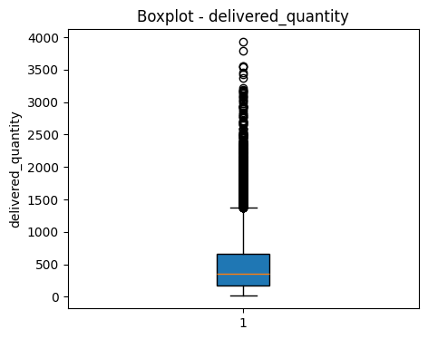 | The boxplot of delivered_quantity shows that most deliveries fall between 100 and 600 units, with a median around 300 units. However, there are numerous outliers above 1000 units, with some reaching close to 4000 units, indicating occasional very large deliveries. This suggests that while typical order sizes are moderate, certain items or vendors require bulk delivery, creating a highly skewed distribution. | 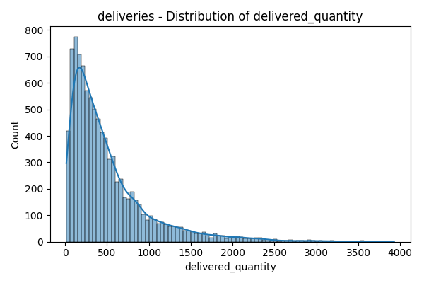 | The distribution of delivered_quantity is highly right-skewed, with most deliveries concentrated below 500 units. The peak occurs around 100–300 units, indicating this is the most common delivery size. However, there is a long tail extending up to nearly 4000 units, showing occasional very large deliveries. This suggests that while regular supply orders are relatively small to medium, a few bulk orders significantly increase the range. | 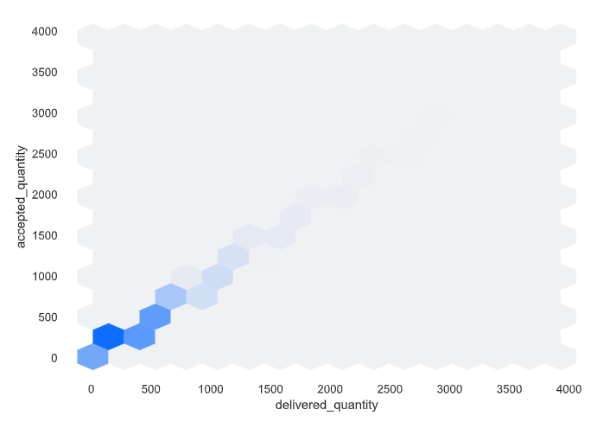 NA | This hexbin plot shows a strong positive correlation between delivered_quantity and accepted_quantity, indicating that as more units are delivered, more are accepted. Most observations are concentrated at lower quantities (0–1,000 units), with frequency decreasing as quantities rise. The linear pattern suggests high acceptance rates for deliveries without notable outliers or deviation, implying consistent quality or fulfillment in the process. Overall, delivery and acceptance are closely aligned, reflecting efficient supply chain performance.
accepted_quantity | mean:504.288 median:356.56 mode:50.06 | Accepted quantity is right-skewed. Most accepted deliveries are small (mode ≈ 50), the typical size is moderate (median ≈ 357), but the average is higher (≈ 504) due to occasional large bulk acceptances. | Standard Deviation: 481.68 Variance: 232018.87 Range: 3912.9 | Accepted quantity shows high variation (std dev ≈ 482, variance ≈ 232,019, range ≈ 3913). The distribution is right-skewed: most accepted deliveries are small (mode ≈ 50), the typical size is moderate (median ≈ 357), but the average is higher (≈ 504) because of occasional very large bulk acceptances. | 2.0966378406 | The accepted quantity distribution is highly right-skewed, meaning most accepted deliveries are small, but a few very large bulk acceptances push the average upward. Combined with the high variance and range, this shows the data has irregular spikes in acceptance volume. | 5.6981456961 | The accepted quantity distribution is highly right-skewed and leptokurtic (kurtosis > 5). This means most accepted deliveries are small and routine (mode ≈ 50, median ≈ 357), but there are frequent extreme bulk acceptances that raise the mean (≈ 504) and cause very high variability (std dev ≈ 482, range ≈ 3913). | Most accepted deliveries are small and routine, but frequent bulk orders cause sharp fluctuations. Planning should focus on typical demand while keeping buffer capacity ready for sudden large acceptances. |  | The distribution of accepted_quantity is highly right-skewed, with most deliveries comprising smaller quantities under 500 units. The frequency drops rapidly as accepted_quantity increases, and very few deliveries exceed 1,000 units. This pattern suggests that small to moderate deliveries are far more common, likely reflecting operational or demand constraints. Outliers—large quantity acceptances—are rare, indicating a typical transaction size is much lower than the maximum value observed | NA | NA |  | NA | 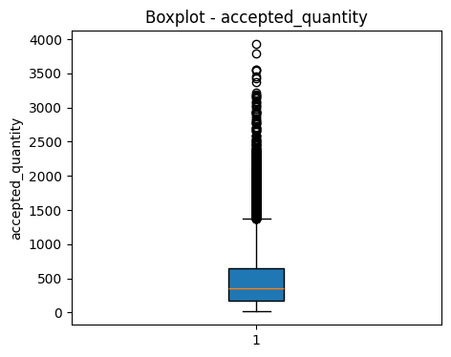 | The boxplot for accepted_quantity reveals a median around the 400–500 unit mark, with the majority of values clustered below 1,000 units. The data is positively skewed, showing many high-value outliers above the upper whisker, some exceeding 3,000 units. Most deliveries are moderate in size, but there are frequent extreme values, suggesting occasional large-scale transactions. Overall, accepted_quantity shows concentrated central tendency with notable outliers highlighting variability in delivery sizes | 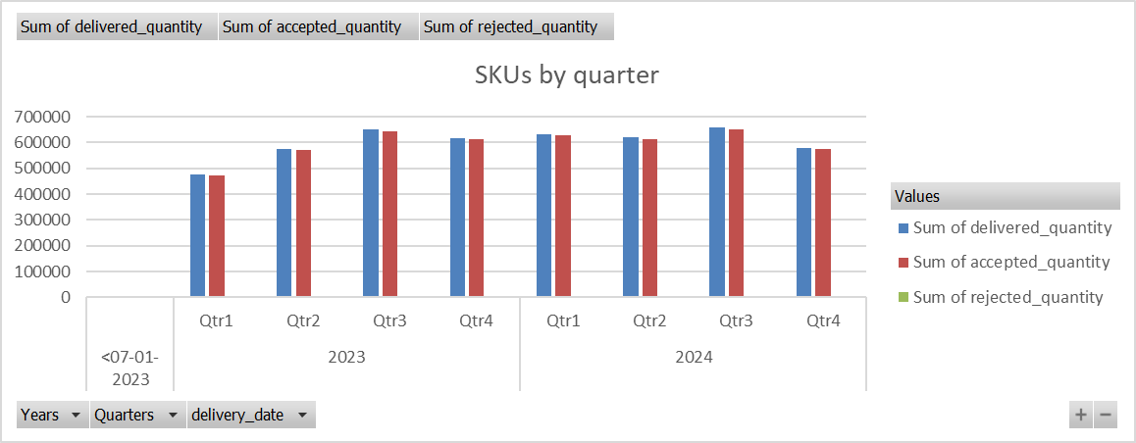 NA | Across quarters in 2023 and 2024, the sum of delivered and accepted quantities for SKUs are closely matched, consistently exceeding 500,000 units per quarter. This indicates high acceptance rates and efficient fulfillment processes over time, with only marginal differences between delivered and accepted quantities. The sum of rejected quantities remains much lower, showing effective quality control or minimal issues in deliveries. Overall, operational performance is steady and robust across all quarters |  | NA | 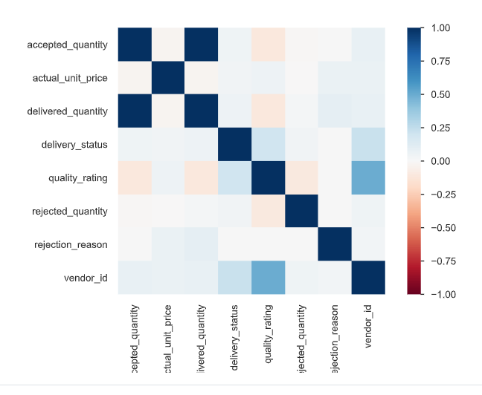 | Accepted_quantity and delivered_quantity show a strong positive correlation, indicating that increased deliveries result in higher accepted quantities. Rejected_quantity and rejection_reason are also closely linked, reflecting that specific rejection reasons are associated with more rejections. Quality_rating exhibits weak correlations with most variables, suggesting it is relatively independent within the dataset. Overall, the heatmap highlights that operational and outcome metrics—like deliveries and acceptances—are more interrelated than pricing or quality attributes
rejected_quantity | mean:2.86731284975187 median:0 mode:0 | The mean (≈ 2.87) is slightly above zero, while both the median and mode are 0, showing that in most cases no items are rejected. However, the higher mean suggests that occasional rejection incidents occur, pulling the average above zero. | Standard Deviation: 20.4979178433977 Variance: 420.16 Range: 480.95 | Although the median and mode are 0 (indicating rejections usually don’t occur), the mean (≈ 2.87), high standard deviation (≈ 20.5), large variance (≈ 420.16), and wide range (≈ 481) show that when rejections do happen, they can be large and highly inconsistent. | 11.108506535 | The rejected quantity is extremely right-skewed, meaning rejections are almost always zero but occasionally spike to very large values. This confirms that while rejection is rare, the few extreme cases heavily distort the average and variability. | 156.41608921 | The rejected quantity distribution is extremely right-skewed (skewness ≈ 11.1) and highly leptokurtic (kurtosis ≈ 156). This means rejections are almost always zero (median & mode = 0), but on rare occasions, very large rejection spikes occur, creating huge variability (std dev ≈ 20.5, range ≈ 481). | Most hospital supply orders face no rejection, but on rare occasions, rejections spike to very high levels, causing sharp fluctuations. While the system generally runs smoothly, these extreme cases highlight the need for better supplier quality checks and preventive measures to avoid operational disruptions. | 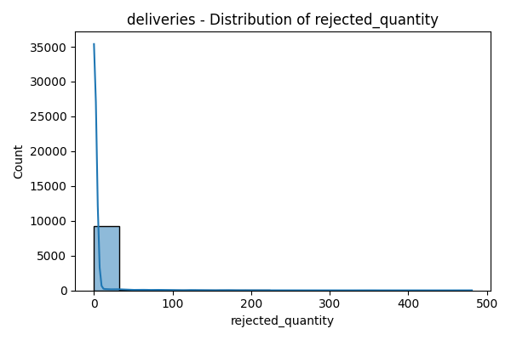 | The distribution of rejected_quantity is heavily concentrated at very low values, with most transactions experiencing minimal or zero rejections. The count drops off sharply as rejected_quantity increases, indicating that larger rejection amounts are extremely rare. This pattern reflects strong overall quality control, with only occasional instances of significant rejection. The data is highly skewed to the right, dominated by low and zero rejection counts | NA | NA | NA | NA | 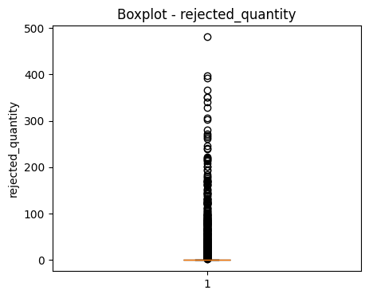 | The boxplot for rejected_quantity shows that most rejection counts are clustered near zero, with a very small interquartile range. However, there are numerous outliers above the whisker, some reaching as high as 500 units, indicating occasional instances of large rejections. Overall, rejections are infrequent and typically minimal per transaction. The distribution highlights that product/process quality is generally well maintained, but rare events of high rejection do occur. | 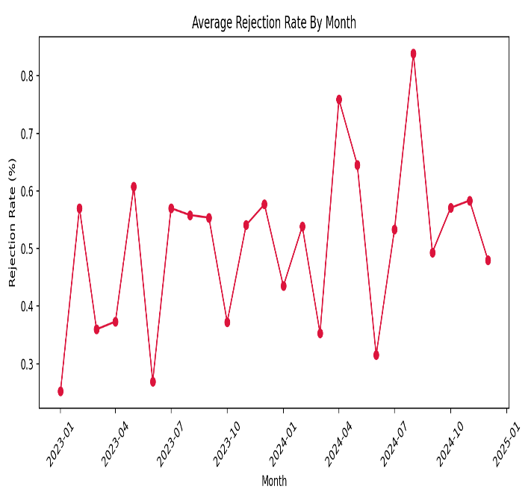 | The average rejection rate by month fluctuates significantly, generally ranging between 0.3% and 0.8% across the observed period. There are occasional peaks—most notably in mid-2024—when rejection rates spike above 0.8%, indicating periods of increased quality issues or stricter acceptance criteria. Despite these spikes, the overall trend remains variable without a clear sustained increase or decrease over time. This suggests that product or process quality is not stable, requiring ongoing monitoring and improvement efforts | 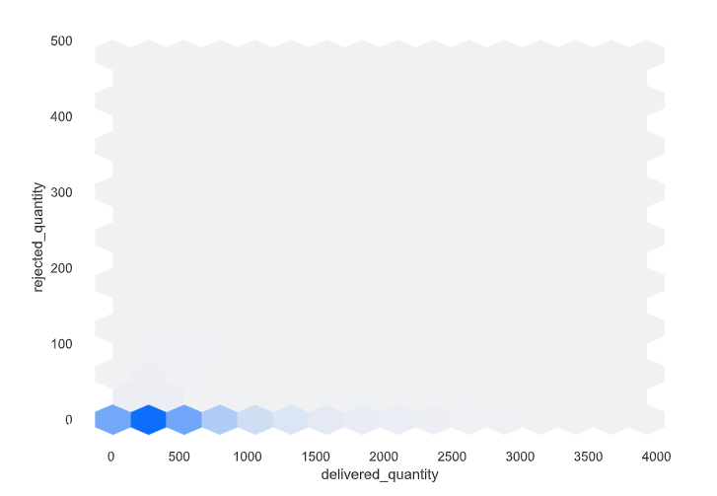 NA | NA
rejection_reason | mode: quality issue | Most common reason for the rejection of delivered quantity is quality issue. | NA | NA | NA | NA | NA | NA |  | NA | NA | 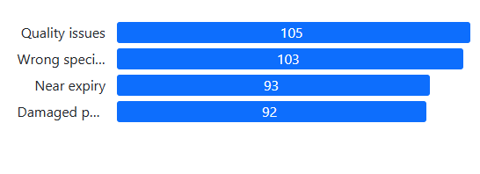 NA | Quality issues are the leading cause of rejections, closely followed by wrong specifications, near expiry, and damaged products. Each rejection reason has a comparable count (92–105), showing a balanced distribution among top causes. This suggests that addressing quality control and specification accuracy could have the greatest impact on reducing overall rejection rates. Near expiry and product damage are also notable contributors, indicating areas for further process improvement | NA | NA | NA | NA | NA | NA | NA | NA
actual_unit_price | mean:57.02 median:41.02 mode:38.66 | The actual unit price shows a right-skewed distribution, as the mean (57.02) is higher than both the median (41.02) and mode (38.66). This indicates that while most hospital items are priced on the lower side, typically around 39–41, the presence of some high-priced items drives the overall average upward. | Standard Deviation: 52.6894961441023 Variance: 2776.183004 Range: 327.43 | The high standard deviation (≈ 52.69), large variance (≈ 2776.18), and wide range (≈ 327.43) highlight that prices vary greatly, with occasional outliers significantly increasing variability. | 1.8885225449 | The distribution is positively skewed (right-skewed), meaning most hospital items are clustered at lower prices, while a few very high-priced items stretch the tail to the right. This indicates the presence of outliers on the higher side. | 3.5098523355 | The distribution is leptokurtic (kurtosis > 3), meaning it has heavier tails and a sharper peak than a normal distribution. This indicates that while most prices cluster around the lower range, there are more frequent extreme price values (outliers) than expected under normal conditions. | Most hospital items are moderately priced, but the price distribution is uneven. A few high-cost items drive up the average and cause wide fluctuations, with extreme values occurring more often than normal. Daily budgeting can be based on typical lower prices, but financial planning should also account for these occasional expensive purchases to avoid cost overruns. | 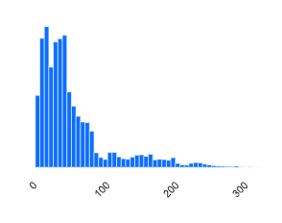 NA | This histogram displays a strong right-skewed distribution, with the majority of values concentrated at lower ranges and frequency declining rapidly as the value increases. Most occurrences fall below 100, indicating that smaller counts are far more common, while higher counts are rare. The long tail suggests occasional outliers or uncommon large events. Overall, the data highlights a predominance of low values with infrequent spikes at the upper end | 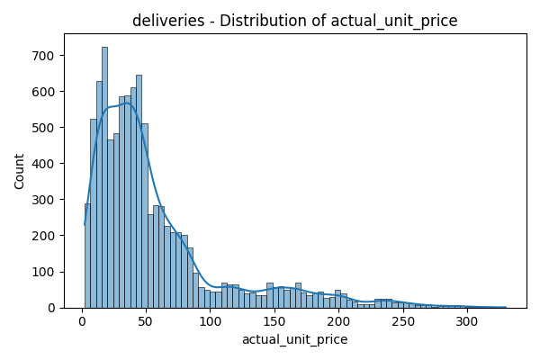 | The actual_unit_price distribution is right-skewed, with most deliveries priced below 50 units and frequencies peaking in this range. Counts drop off steeply as prices increase, indicating high-priced items are much less common. There are occasional outliers with prices exceeding 200 units, but these are rare. This pattern suggests that the majority of transactions involve low to moderate-priced products, with premium-priced items representing a small share of overall deliveries | NA | NA | 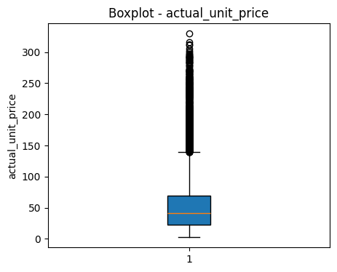 | The boxplot for actual_unit_price shows a median around 40–50 units, with the majority of prices falling below 100 units. The distribution is right-skewed, with several outliers above 150 units and some reaching over 300 units. Most deliveries are within a moderate price range, but premium-priced items occur as distinct outliers. This pattern highlights both a central cluster of everyday pricing and a long tail of higher-priced products in the dataset | NA | NA | 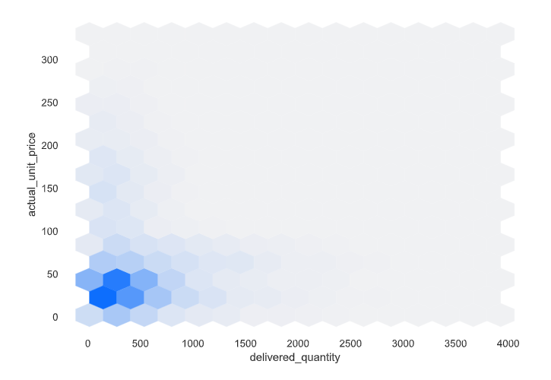 | Most deliveries cluster around low delivered_quantity (below 500 units) with actual_unit_price mainly between 0 and 50 units. As delivered_quantity increases, transaction frequency drops sharply, indicating bulk orders are less common. There is no strong upward or downward relationship between delivered_quantity and actual_unit_price; high prices do not systematically align with larger quantities. Overall, the dataset is dominated by small deliveries at moderate prices, with outliers being uncommon | 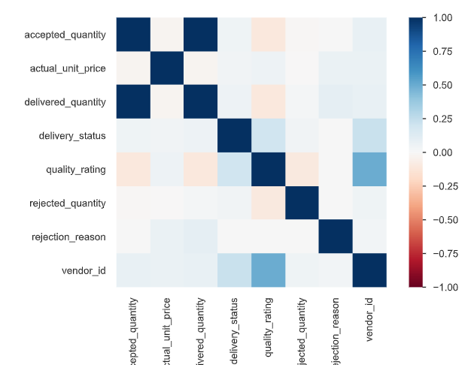 | Accepted_quantity and delivered_quantity show a strong positive correlation, indicating that increased deliveries result in higher accepted quantities. Rejected_quantity and rejection_reason are also closely linked, reflecting that specific rejection reasons are associated with more rejections. Quality_rating exhibits weak correlations with most variables, suggesting it is relatively independent within the dataset. Overall, the heatmap highlights that operational and outcome metrics—like deliveries and acceptances—are more interrelated than pricing or quality attributes
batch_number | mode: B20231959 | B20231959 is the most commonly occuring batch number | NA | NA | NA | NA | NA | NA |  | NA | NA | NA | NA | NA | NA | NA | NA | NA | NA | NA | NA
expiry_date | NA | NA | Range - 2860 days | NA | NA | NA | NA | NA |  | 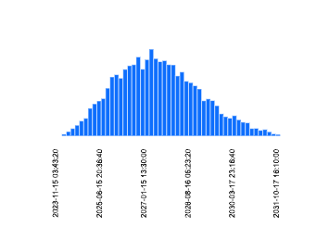 NA | The histogram of expiry dates is approximately bell-shaped, with most products expiring around mid-January 2027. Expiry dates peak near this center, while fewer items have expiry dates far before or after, suggesting a majority of inventory shares a similar shelf life. The distribution indicates products are managed with synchronized expiration cycles, reducing the risk of early expiry or excessive inventory aging. Outliers—products expiring very early or very late—are relatively rare. | NA | NA | NA | NA | NA | NA | NA | NA | NA | NA
delivery_status | Mode - 4831 | Most of the deliveries are late | NA | NA | NA | NA | NA | NA |  | NA | NA |  | Late deliveries slightly outnumber on-time deliveries, with 4,831 instances versus 4,640 on-time occurrences. This indicates that delivery performance is nearly balanced but has a marginal tendency toward lateness. The close counts suggest ongoing challenges in meeting schedules, but overall process reliability is reasonably high. Monitoring and improving delivery timelines could further optimize operational efficiency | NA | NA | NA | NA | NA | NA
quality_rating | mean:4.09 median:4.2 mode:5 | The mean (4.09) and median (4.2) are close, showing the ratings are fairly balanced. The mode (5) indicates that the most common rating is the highest possible score, suggesting that the majority of items are perceived to be of good quality. | Standard Deviation: 0.64 Variance: 0.41 Range: 3 | The low standard deviation (0.64) and small variance (0.41) indicate that ratings are closely clustered around the mean, showing little fluctuation. The narrow range (3) confirms that quality ratings do not vary widely, reflecting overall consistency. | -0.46911375781 | The distribution is slightly left-skewed (negative skewness), meaning most ratings are on the higher side, with a small tendency toward lower ratings. This suggests that while the majority of items are rated well, a few received relatively lower scores. | -0.26816931223 | The distribution is platykurtic (kurtosis < 0), meaning it has flatter tails and a wider spread compared to a normal distribution. This indicates that while most ratings are high, they are spread out more evenly across the upper range, with fewer extreme outliers. | Quality ratings are consistently high, with most items scoring well and the top rating being the most common. The low variation shows stable and reliable quality across supplies. While a few slightly lower ratings exist, extreme outliers are minimal, confirming that suppliers maintain strong and consistent quality standards. | 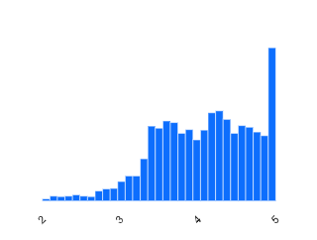 | The distribution of quality ratings is left-skewed, with most values clustering towards the higher end, especially at the maximum rating of 5. Ratings gradually increase from 2 to 4, then spike sharply at 5, indicating a large proportion of deliveries receive excellent quality marks. Lower ratings are infrequent, suggesting overall product quality is perceived as high by recipients. This pattern reflects strong supplier performance and customer satisfaction. |  |  |  |  | 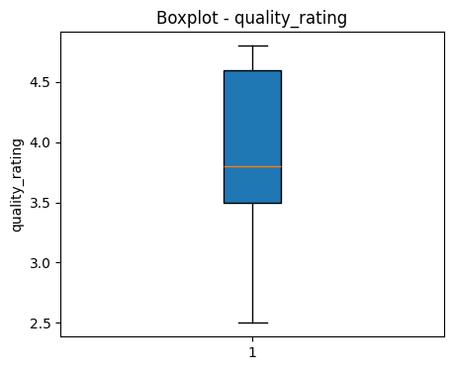 | The boxplot for quality_rating shows a median close to 3.7, with most ratings falling between 2.5 and 4.7. The interquartile range is fairly wide, reflecting substantial variability in perceived quality. There are no major outliers, and the upper whisker reaches towards perfect ratings, indicating that high quality is typical. Overall, the central tendency is moderate-to-high, suggesting generally favorable product reviews.
delivery_notes | Mode - Normal delivery | Most of the deliveries are normal delivery | NA | NA | NA | NA | NA | NA | NA | NA | NA | NA | NA | NA | NA | NA | NA | NA | NA | NA | NA | NA | NA | NA | NA
physician_id | NA | NA | NA | NA | NA | NA | NA | NA | NA | 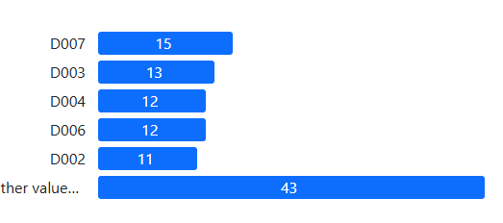 | Most activity is distributed among several physician IDs, with D007 leading at 15 instances, followed by D003, D004, D006, and D002 each with similar counts (11–13). A large portion falls under "other values" (43), indicating notable participation from a variety of additional physicians. This spread suggests no single physician overwhelmingly dominates, reflecting a balanced involvement across the group
primary_dept_id | Mode - D007 | D007 is the most frequent department in the physician table | NA | NA | NA | NA | NA | NA | NA
physician_name | NA | NA | NA | NA | NA | NA | NA | NA | NA
speciality | Mode - Cardiology | Cardiology is the most frequent occuring speciality |  |  |  |  | NA | NA | NA | 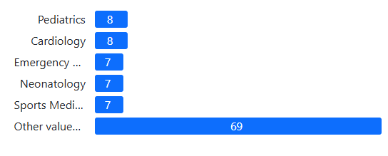 | The distribution by specialty shows Pediatrics and Cardiology as leading categories, each with 8 instances, followed closely by Emergency, Neonatology, and Sports Medicine at 7 each. However, most activities (69) are attributed to other specialties, highlighting broad and diverse participation across departments. This data suggests a well-dispersed representation rather than dominance by any single specialty group.
experience_years | mean:17.34 median:19 mode:10 | The mean (17.34) is slightly lower than the median (19), suggesting a slight left skew in the data. The mode (10) shows that the most common experience level is lower than both the mean and median. This indicates that while many individuals have long experience (around 19 years), a larger group with around 10 years of experience pulls the average downward. | Standard Deviation: 8.3129 Variance: 69.1055 Range: 27 | The standard deviation (≈8.31) and variance (≈69.1) indicate a wide spread of experience levels among employees. The range (27 years) confirms a diverse workforce, with staff spanning from relatively new to very seasoned professionals. | -0.13092249508 | The distribution is slightly left-skewed, meaning most employees have higher experience levels, with a small number of relatively less experienced staff pulling the average slightly downward. This shows the workforce leans toward being well-experienced overall. | -1.3546844319 | The distribution is platykurtic (kurtosis < 0), meaning it is flatter and more spread out than a normal distribution. This indicates that experience levels are well-distributed across a broad range, with fewer extreme concentrations or outliers. | The hospital has a diverse and experienced workforce, with most employees having long years of service while also maintaining a strong base of mid-level staff. This balance ensures both stability and adaptability in operations. |  |  | 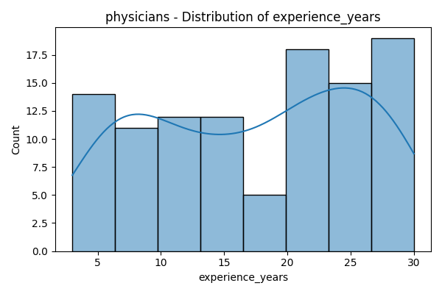 | Physician experience is broadly distributed, with counts steady across most experience bands but peaking at 20 and 30 years. There is a slight dip in the mid-range around 15 years, indicating fewer physicians with exactly that amount of experience. The overall spread suggests a mix of both early-career and seasoned professionals, contributing to a diverse workforce. High representation at the upper end reflects strong institutional experience and expertise |  |  | 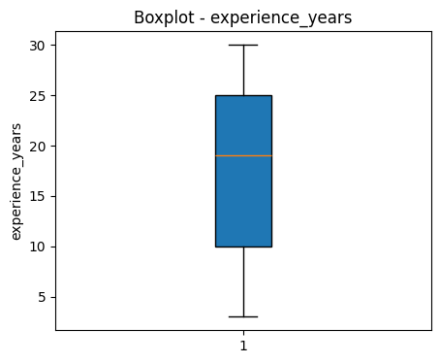 | The boxplot for experience_years highlights a median around 19 years, with most physicians having between 7 and 29 years of experience. The interquartile range is broad, indicating substantial variability in experience levels across the group. There are no significant outliers, suggesting a balanced distribution without extremely new or ultra-experienced physicians. This reflects a workforce with moderate to high professional tenure |  |  |  |  | 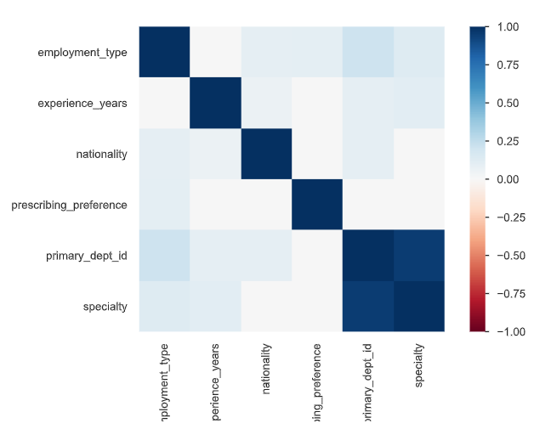 | The correlation heatmap shows mostly weak relationships among physician attributes, with slightly stronger positive correlations between primary_dept_id and specialty, as expected from departmental grouping. Other variables, such as experience_years, employment_type, nationality, and prescribing_preference, display minimal association with each other or with specialty. This indicates that these physician characteristics tend to be independent, highlighting diverse backgrounds and practice patterns within the workforce.
nationality | Mode - Saudi | Most of the physicians are of Saudi nationality | NA | NA | NA | NA | NA | NA | NA | 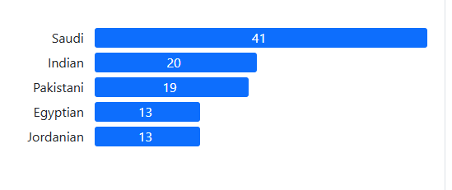 | Saudi nationals form the largest group of physicians at 41, followed by Indian (20), Pakistani (19), Egyptian (13), and Jordanian (13). This indicates a considerable local representation, with significant contributions from diverse expatriate communities. The mix reflects both strong regional staffing and reliance on international expertise in the workforce
employment_type | Mode - speciality | Most of the physicians are of speciality employment type | NA | NA | NA | NA | NA | NA | NA |  | Specialists make up the largest segment of physicians, with 50 individuals, followed by consultants (31) and residents (25). This suggests that the majority of the medical workforce consists of experienced and highly trained professionals. Consultants and residents also form significant portions, ensuring a mix of expertise and ongoing professional development within the group
prescribing_preference | Mode - Generic | Most of the physician prescribe generic medicine. | NA | NA | NA | NA | NA | NA | NA |  |  |  | Generic prescribing is most common among physicians (40), followed by brand prescriptions (35) and mixed preferences (31). This indicates a slight preference for cost-effective generics, but brand and mixed choices are also significant, reflecting diverse treatment strategies and flexibility in prescribing behavior

sku_name | Mode - Blood Collection Tubes - Small | Blood collection tubes of small size is the most frequent used SKU | NA | NA | NA | Na | NA | NA | NA
category | Mode - Pharmacy | Pharmacr is the most used category | NA | NA | NA | NA | NA | NA | NA |  | Pharmacy SKUs (777) substantially outnumber Consumables SKUs (420), indicating that inventory and procurement activity is more concentrated in pharmaceutical items than in general consumables. This reflects pharmacy's greater demand or product diversity within the supply chain
sub_category | Mode - Diabeties management | out of 15 subcategory, diabeties management is the most commonly occuring | NA | NA | NA | NA | NA | NA | NA | 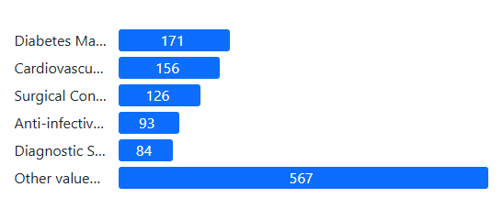 | Diabetes management and cardiovascular products are the leading SKU categories, with 171 and 156 items respectively, followed by surgical consumables, anti-infectives, and diagnostic supplies. A substantial portion (567) falls under "other values," reflecting wide SKU diversity outside the top categories. Inventory is thus both specialized and broad, supporting a range of clinical needs
therapeutic_area | Mode - Diabeties management | diabeties management is the most commonly occuring therapeutic area | NA | NA | NA | NA | NA | NA | NA | 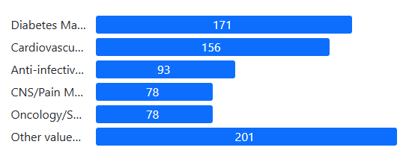 | Diabetes management and cardiovascular products are the most prevalent therapeutic areas, with 171 and 156 items respectively. Anti-infectives, CNS/pain management, and oncology/supportive care also have notable representation, each with 78–93 items. "Other values" account for 201 items, indicating broad coverage of additional therapeutic needs beyond the main categories.
brand_generic_flag | Mode - Generic | Generic medicines are used more than branded medicines | NA | NA | NA | NA | NA | NA | NA |  | Generic products are nearly twice as prevalent as brand products, with 497 generic SKUs compared to 280 brand SKUs. This highlights a strong emphasis on cost-effective generic inventory in the supply chain, while maintaining substantial brand product offerings
unit_of_measure | Mode - pack | Pack are used more than packages | NA | NA | Na | NA | NA | NA | NA |  | SKUs in the "Pack" format (777) far outnumber those in the "Package" format (420), indicating a greater preference or operational need for products supplied as packs. This suggests inventory management or consumption patterns may favor smaller units over bundled packages in this supply chain
standard_cost | mean:54.656 median:39.76 mode:23.63`` | The mean (54.66) is higher than the median (39.76) and mode (23.63), indicating a right-skewed distribution. Most SKUs have lower standard costs, but a few high-cost SKUs push the average upward. | Standard Deviation: 50.578 Variance: 2558.16 Range: 285.58 | The high standard deviation (≈50.58) and large variance (≈2558.16) indicate that SKU costs vary widely. The broad range (≈285.6) further confirms the presence of both very low-cost and very high-cost items, showing significant cost diversity across SKUs. | 1.9101158661 | The distribution is positively skewed (right-skewed), meaning most SKUs are low-cost, but a few very high-cost SKUs stretch the distribution to the right. This confirms the presence of outliers on the higher cost side that push up the average. | 3.6645850075 | The distribution is leptokurtic (kurtosis > 3), meaning it has heavier tails and a sharper peak than a normal distribution. This shows that while most SKUs cluster around lower costs, extreme high-cost SKUs occur more frequently than expected, reinforcing the impact of costly outliers. | Most hospital SKUs are low-cost and clustered around the lower range, but a few very expensive items occur often enough to raise the overall average and create wide cost fluctuations. This highlights the need for careful budgeting and cost control, focusing on routine low-cost items while planning ahead for the financial impact of high-cost SKUs. |  |  | 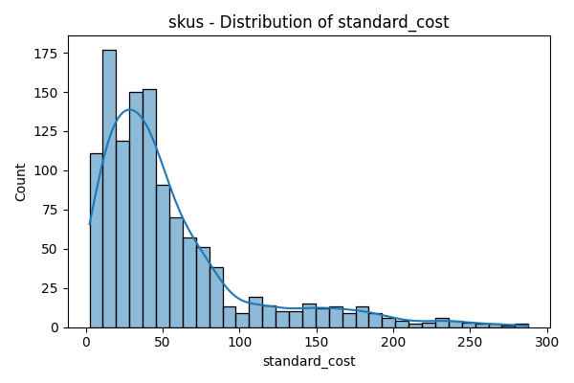 | The distribution of standard_cost is right-skewed, with most SKUs costing below 50 units and a high concentration in the lower ranges. Counts decrease sharply as cost increases, so high-cost items are relatively uncommon. This pattern implies inventory is dominated by lower-priced products, with expensive SKUs forming a small minority |  |  | 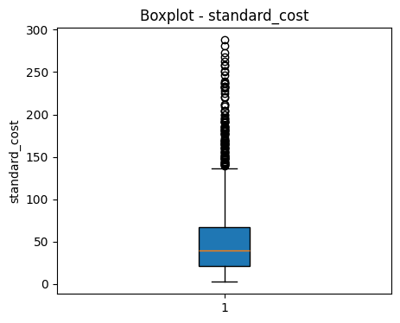 | The boxplot for standard_cost shows a median near 35 units, with most SKUs clustered below 75 units. There are numerous outliers above the upper whisker, some reaching close to 300 units, indicating the presence of premium-priced products. Overall, SKUs are mainly low to moderate in cost, but the data includes occasional high-cost outliers. |  |  |  |  | 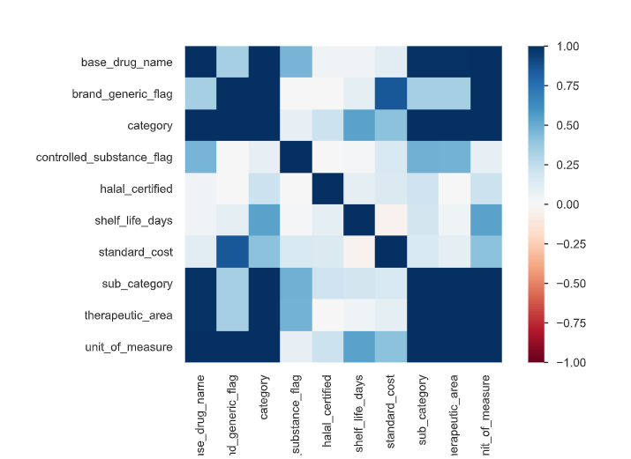 | The SKU attribute correlation heatmap reveals some strong relationships, such as between base_drug_name and unit_of_measure, and between category, sub_category, and therapeutic_area, indicating consistent linkage among product classification attributes. Standard_cost, shelf_life_days, and halal_certified show little correlation with other fields, suggesting these are largely independent factors in inventory. Controlled_substance_flag and brand_generic_flag also display generally weak correlations across other attributes, highlighting diversity in SKU properties.
shelf_life_days | mean:1287.32 median:1256 mode:555` | The mean shelf life (1287.32 days) is close to the median (1256 days), suggesting the data is fairly balanced overall. However, the mode (555 days) is much lower, indicating that the most common SKUs have significantly shorter shelf lives compared to the average | Standard Deviation: 501.83 Variance: 251841.089175 Range: 2182 | The standard deviation of 501.83 days and a very high variance (251,841) indicate substantial variability in shelf life across SKUs. The range of 2,182 days highlights a wide gap between the shortest and longest-lasting products, suggesting that inventory contains both very short-life and very long-life items. | 0.33829815082 | The positive skewness (0.34) indicates a slight right skew, meaning most SKUs have shelf lives clustered around the median (≈ 1,256 days), but a few items with very high shelf life values extend the distribution to the right. This suggests that while the majority of products fall within a manageable shelf life range, a few long-lasting items may distort the average, which should be considered in planning and forecasting. | -0.5065539737 | The negative kurtosis (-0.51) indicates a platykurtic distribution, meaning the data is flatter than a normal curve with lighter tails. This suggests fewer extreme outliers in shelf life compared to a normal distribution. Most products have shelf lives that are more evenly spread out, without sharp peaks or excessive extremes, implying greater consistency in shelf life across SKUs. | The company has a balanced mix of short- and long-shelf-life products, but since most fall in the mid-to-long range, it can focus on optimizing inventory turnover for shorter-life SKUs while leveraging the longer shelf life products for reduced wastage and better stock management. | 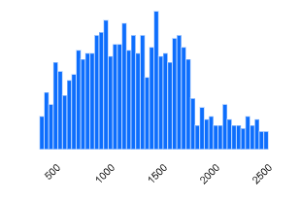 | This histogram shows shelf_life_days distributed mainly between 500 and 2,000 days, with the highest frequencies clustering around 1,000–1,500 days. There is a gradual decline in counts as shelf lives reach either extreme low or high ends, suggesting most products offer moderate shelf life suitable for standard inventory turnover. Very short or very long shelf lives are less common in the datase | 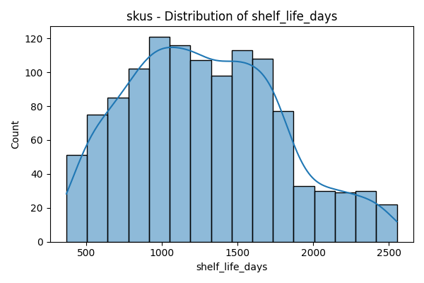 | The distribution of shelf_life_days is moderately right-skewed, with most SKUs having shelf lives between 800 and 1,800 days. The frequency peaks around 1,200 days, while fewer items have very short or very long shelf lives. This suggests that inventory is predominately composed of products with moderate, operationally flexible shelf life durations |  |  | 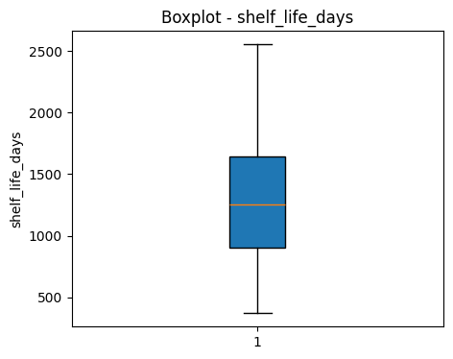 | The boxplot for shelf_life_days shows a median close to 1,250 days, with most SKUs having shelf lives between 400 and 2,500 days. The interquartile range is broad, indicating significant variability across products. There are no extreme outliers, reflecting that shelf life values are consistently distributed within this range. This suggests inventory consists of items with moderate to long shelf lives, supporting operational flexibility.
storage_requirements | Mode - Room Temperature |  | NA | NA | NA | NA | NA | NA | NA
controlled_substance_flag | Mode - false | Most of the values are false | NA | NA | NA | NA | NA | NA | NA |  | The controlled_substance_flag shows that only a small portion of SKUs (20) are classified as controlled substances, while the vast majority (1,177) are not. This indicates that controlled substances form a very minor segment of the overall inventory, reflecting stringent regulation and limited usage in the supply chain
halal_certified | Mode - true | most of the SKU are halal certified | NA | NA | NA | NA | NA | NA | NA |  | A large majority of SKUs (1,101) are halal certified, while only 96 are not. This demonstrates strong compliance with halal standards in the inventory, aligning with cultural and regulatory expectations in regions where halal certification is essentia
base_drug_name | Mode- Gliclazide | Gliclazide is the most commonly used drug | NA | NA | NA | NA | NA | NA | NA | 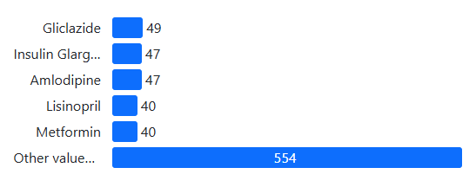 | Gliclazide, Insulin Glargine, and Amlodipine are the most common base drug names, with counts between 47 and 49. Lisinopril and Metformin each appear 40 times, while a wide array of other drugs collectively account for 554 instances. This indicates a focus on diabetes and cardiovascular medications, alongside substantial product diversity in the inventory
vendor_name | NA | NA | NA | NA | NA | NA | NA | NA | NA
vendor_type | mode - tier 2 | most of the vendor belong to tier 2 | NA | NA | NA | NA | NA | NA | NA |  | Tier2 vendors are the most common, with 4 represented, followed by Tier1 with 3 and Tier3 with 2 vendors. This indicates a moderate diversity in vendor classification, with Tier2 having the largest share in the supply network
country_of_origin | mode- Saudi | Most of the vendors belong to Saudi Arab | NA | NA | NA | NA | NA | NA | NA
average_lead_time_days | mean:18 median:16 mode:12` | The average vendor lead time is 18 days, with most deliveries occurring around 12–16 days. This indicates that vendors are generally reliable, though a few with longer lead times push the average higher, highlighting potential delays from certain suppliers. | Standard Deviation: 8.774 Variance 77 Range: 26 | The vendor lead time shows a standard deviation of 8.77 days and a variance of 77, indicating moderate variability in delivery times. The range of 26 days confirms that while most vendors deliver close to the average, a few have significantly longer lead times, which could impact planning and inventory management. | 0.81942776731 | The vendor lead time has a positive skewness of ≈0.82, indicating a right-skewed distribution. Most vendors deliver faster than the average, but a few with longer lead times pull the mean upward, highlighting occasional delays that may affect supply consistency. | -0.62362961714 | The vendor lead time has a kurtosis of ≈ -0.62, indicating a platykurtic distribution. This means the data is relatively flat with lighter tails, so extreme lead times (very short or very long) are less frequent than in a normal distribution, and most vendors deliver within a consistent range. | Most vendors deliver within 12–16 days, providing a fairly consistent lead time. A few vendors take longer, slightly increasing the average to 18 days, but extreme delays are rare. This suggests the hospital can generally rely on predictable supply schedules, while monitoring slower vendors to prevent occasional disruptions. | 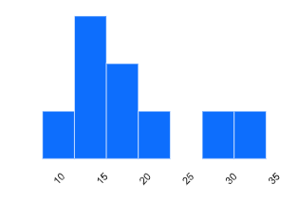 | The distribution of average lead time is primarily concentrated between 10 and 20 days, with most values falling in this range. Smaller counts are observed at higher lead times (25–35 days), suggesting that the supply chain typically operates with moderate delivery speeds, while longer lead times are less common |  |  |  |  | 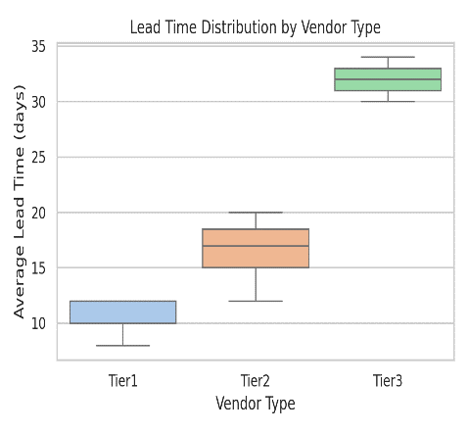 | Tier1 vendors have the shortest average lead times (around 10–13 days), Tier2 vendors are moderate (15–20 days), and Tier3 vendors have the longest lead times (30–34 days). This pattern indicates that higher-tier vendors deliver more quickly, while lower-tier vendors require extended time for delivery. |  |  | 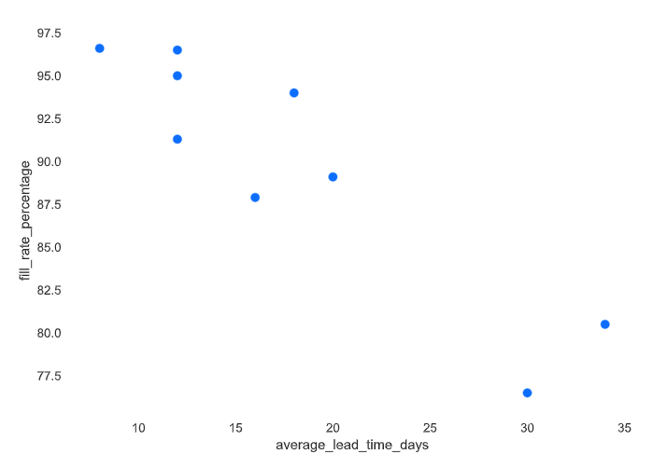 | This scatterplot shows a negative relationship between average_lead_time_days and fill_rate_percentage: as lead time increases, fill rate tends to decrease. Shorter lead times are associated with higher fill rates (above 95%), while longer lead times correspond to lower fill rates (around 80–85%). Improving lead times could thus directly enhance supply chain performance and fulfillment rates
fill_rate_percentage | mean:89.71 median:91.3 mode:76.5 | The mean fill rate is 89.71%, slightly lower than the median of 91.3%, indicating a slight left skew. The mode of 76.5% shows that the most common fill rate is lower than the average, suggesting some stock-outs or partial order fulfillments. Overall, most orders are completed close to full quantity, but a few lower-performing instances pull the mean down. | Standard Deviation: 7.11 Variance :50.68 Range: 20.1 | The standard deviation (≈7.11) and variance (≈50.68) indicate moderate variability in fill rates across orders. The range of 20.1% shows that while most orders are nearly fully filled, some experience significant shortfalls, highlighting areas where supply consistency can be improved. | -0.81674234379 | The fill rate percentage has a negative skewness of ≈ -0.82, indicating a left-skewed distribution. This means most orders have high fill rates, but a few instances with lower fill rates pull the average down, highlighting occasional under-fulfillment. | -0.63647965392 | The fill rate percentage has a kurtosis of ≈ -0.64, indicating a platykurtic distribution. This means the distribution is flatter than normal, with fewer extreme outliers. Most orders have consistently high fill rates, and extreme under-fulfillment cases are relatively rare. |  | 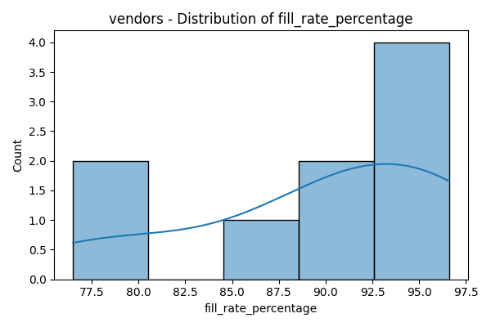 | The distribution of fill_rate_percentage among vendors is skewed towards higher values, with most vendors achieving fill rates above 90%. A few vendors fall below 85%, but the dominant trend is strong supply fulfillment performance in the upper range. This suggests that the majority of vendors reliably meet demand, with only occasional exceptions | 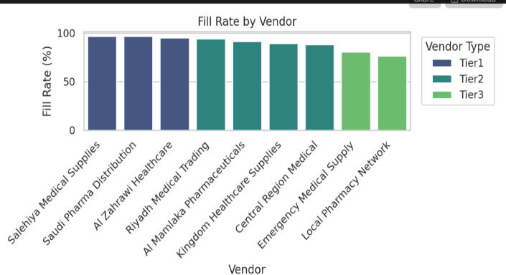 | Tier1 vendors such as Seheiya Medical Supplies, Saudi Pharma Distribution, and Al Zanwari Healthcare achieve the highest fill rates, while Tier2 and Tier3 vendors—especially Emergency Medical Supply and Local Pharmacy Network—show lower fill rates. This confirms that higher-tier vendors consistently offer more reliable supply performance compared to lower-tier vendors. |  |  | 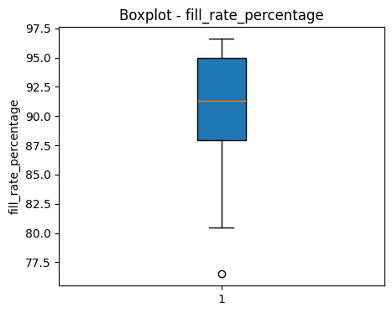 | The boxplot for fill_rate_percentage indicates most values are between 87% and 96%, with a median around 92%. The majority of vendors achieve high fill rates, though a few outliers fall below 80%, highlighting areas for potential improvement in supply fulfillment. Overall, supply chain performance is strong and consistent in terms of fill rate |  |  | 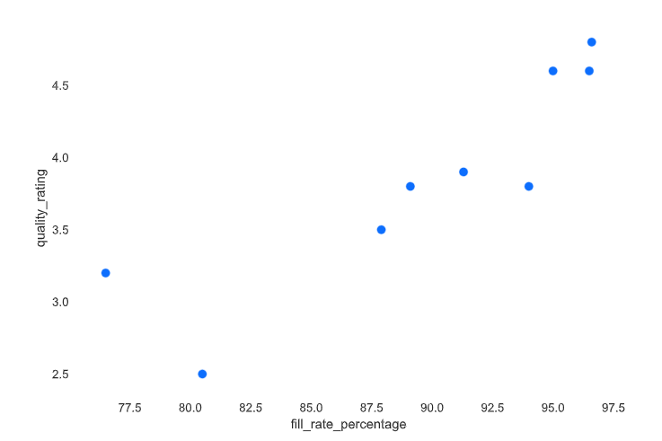 | This scatterplot demonstrates a positive relationship between fill_rate_percentage and quality_rating: higher fill rates are associated with higher quality ratings. Vendors with fill rates above 95% tend to receive quality ratings above 4.5, while those with lower fill rates generally have poorer quality perceptions. Reliable supply fulfillment appears to directly impact perceived quality in this dataset | 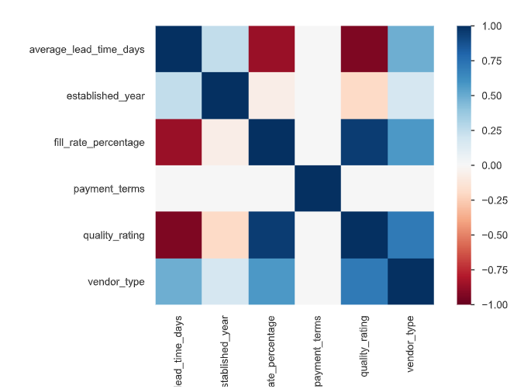 | The heatmap reveals strong negative correlations between average_lead_time_days and both fill_rate_percentage and quality_rating, indicating that longer lead times are associated with lower fill rates and poorer quality ratings. Vendor_type also shows robust correlations: higher-tier vendors tend to have shorter lead times, higher fill rates, and better quality ratings. Payment_terms and established_year have weaker associations with other variables, suggesting they are less impactful on supply chain KPIs in this dataset.
quality_rating | mean:3.85 median:3.8 mode:3.8 | The mean (3.85), median (3.8), and mode (3.8) are very close, indicating a well-balanced and consistent distribution of vendor quality ratings. Most vendors are rated consistently high, with minimal variation between average and most common scores. | Standard Deviation: 0.74 Variance 0.55 Range: 2.3 | The low standard deviation (≈0.74) and small variance (≈0.55) indicate that vendor ratings are tightly clustered around the mean. The range of 2.3 confirms that while there is some variation, most vendors maintain consistently high quality. | -0.37359786757 | The Vendor Quality Rating has a slight negative skewness (≈ -0.37), indicating that most vendors are rated slightly above the average, with fewer vendors receiving lower ratings. This shows a tendency toward consistently high-quality suppliers. | -0.68395580835 | The Vendor Quality Rating has a kurtosis of ≈ -0.68, indicating a platykurtic distribution. This means the ratings are fairly evenly spread around the mean, with fewer extreme values. Most vendors maintain consistent, reliable quality without large deviations. | Most vendors maintain consistently high quality, with ratings tightly clustered around the average. There are few low-performing suppliers and minimal extreme deviations, ensuring reliable product standards and supporting smooth hospital operations. |  | The quality rating distribution is bimodal, with peaks at 3.5 and 4.5. Most vendors are clustered around these higher ratings, while a smaller number have lower ratings (2.5–3.0), indicating that the majority of vendors are perceived to provide good or excellent quality, though a minority may have room for improvement |  | The quality rating distribution is bimodal, with peaks at 3.5 and 4.5. Most vendors are clustered around these higher ratings, while a smaller number have lower ratings (2.5–3.0), indicating that the majority of vendors are perceived to provide good or excellent quality, though a minority may have room for improvement |  |  |  | The boxplot for quality_rating shows a median close to 3.8, with most vendors’ ratings between 3.5 and 4.6. While some vendors fall to a lower rating of 2.5, the overall distribution is skewed toward higher quality scores, indicating generally good supplier performance with some room for improvement at the lower end |  |  |  | The scatterplot indicates that Tier1 vendors (blue) have the shortest average lead times and the highest quality ratings, while Tier3 vendors (green) experience longer lead times and lower quality ratings. Most Tier2 vendors (orange) fall in between. Payment terms (bubble size) do not show a clear association with either metric, confirming that vendor tier is a strong determinant of both speed and service quality.
payment_terms | mean:76.66 median:90 mode:90 | The mean (76.66 days) is lower than both the median (90 days) and mode (90 days), indicating a left-skewed distribution. Most vendors offer 90-day payment terms, but a few with shorter terms pull the average down. | Standard Deviation: 15.81 Variance 250 Range: 30 | The standard deviation (≈15.81) and variance (≈250) indicate moderate variability in payment terms across vendors. The range of 30 days shows that while most vendors follow the standard 90-day term, some have shorter or slightly longer payment periods, contributing to differences in cash flo | -0.22360679775 | The Payment Terms distribution has a slight negative skewness (≈ -0.22), indicating that most vendors offer slightly longer-than-average terms, with a few shorter-term agreements pulling the mean down. This shows the overall trend leans toward standard or extended payment periods. | -1.95 | The Payment Terms distribution has a kurtosis of ≈ -1.95, indicating a platykurtic distribution. This means the data is flatter than a normal distribution, with fewer extreme values. Most vendors offer payment terms close to the typical value, and extreme deviations (very short or very long terms) are rare. | Most vendors provide standard 90-day payment terms, with slight variation due to a few shorter-term agreements. The distribution is fairly flat, indicating few extreme deviations, so the hospital can generally plan cash flow reliably while keeping an eye on vendors with non-standard terms. |  |  |  | The payment_terms distribution among vendors is bimodal, with most vendors offering either 60-day or 90-day terms. Very few vendors have terms in between these durations, suggesting supply agreements are standardized around these two key options for payment flexibility |  |  |  | The boxplot for payment_terms reveals two primary values at 60 and 90 days, reflecting the bimodal nature of vendor payment agreements. Most vendors offer either of these standard terms, confirming limited variability and strong standardization in payment policies across the supplier base
established_year | NA | NA | NA | NA | NA | NA | NA | NA | NA
Patient id | NA | NA | NA | NA | NA | NA | NA | NA | NA
age_group | mode - 19-35 | most of the patients belong to the age group of 19 to 35 | NA | NA | NA | NA | NA | NA | NA |  | The largest patient age group is 19–35 years (7,557), followed by 0–18 years (6,176). Older age groups, including 36–50 (4,956), 51–65 (3,870), and 65+ years (2,441), have progressively fewer patients. This indicates that healthcare delivery is most concentrated in young adults and children/adolescents, with patient counts decreasing as age increases. |  |  |  |  |  |  |  |  |  |  |  | The correlation heatmap for patient variables shows strong positive relationships between chronic_conditions and length_of_stay, as well as between patient_type and primary_dept_id. This suggests patients with more chronic conditions tend to have longer hospital stays, and specific patient types are closely linked to certain departments. Age_group has minimal correlation with other variables, indicating age distribution operates independently of these clinical metrics in this dataset.
patient_type | mode - inpatient | mostof the patients are inpatients | NA | NA | NA | NA | NA | NA | NA |  |  |  | Inpatient cases are the most common patient type, with counts over 10,000. Emergency and outpatient patients are nearly equal, each at about 7,000, but both are notably fewer than inpatient cases. This reflects a hospital environment with a significant focus on admitting patients rather than only providing emergency or outpatient care
chronic_conditions | Mode - Diabeties | most chronic condition is diabeties | NA | NA | NA | NA | NA | NA | NA |  | Diabetes is the most prevalent chronic condition among patients (5,016), followed by both diabetes and hypertension together (3,768), and hypertension alone (3,736). This highlights the significant burden of diabetes and related comorbidities in the patient population, with hypertension also highly common.
admission_date | NA |  | NA | NA | NA | NA | NA | NA | NA |  |  |  |  |  |  |  |  |  | Admissions over time fluctuate monthly, typically ranging from about 980 to 1,120 admissions. There is no clear seasonal trend, but frequent spikes and dips suggest varying demand each month, possibly due to external factors or episodic hospital events. Overall, the trend remains stable across the observed period from January 2023 to January 2025.
discharge_date | NA |  | NA | NA | NA | NA | NA | NA | NA
length_of_stay | mean:3.45 median:1.4 mode:0.4` | The mean (3.45 days) is much higher than both the median (1.4 days) and mode (0.4 days), indicating a right-skewed distribution. Most patients have short stays, but a few long-stay patients increase the average significantly. | Standard Deviation: 4.12 Variance 17.01 Range: 13.9 | The standard deviation (≈4.12) and variance (≈17.01) indicate considerable variability in patient stays. The range of 13.9 days shows that while most patients stay for a short duration, some require significantly longer hospitalizations, which can impact resource planning and bed availability. | 1.1753097822 | The Patient Length of Stay (LOS) has a positive skewness of ≈ 1.18, indicating a right-skewed distribution. Most patients have short hospital stays, but a smaller number of long-stay patients extend the tail, raising the average. This highlights occasional cases requiring significantly more resources. | -0.03720962233 | The Patient Length of Stay (LOS) has a kurtosis of ≈ -0.04, indicating a nearly normal, slightly platykurtic distribution. This means the data is relatively flat with moderate tails, so while most patients have short stays, extreme long-stay cases are present but not overly frequent. | Most patients have short hospital stays, but occasional long-stay cases increase the average and create variability. Hospital planning should focus on efficiently managing short stays while keeping resources available for patients requiring extended care. |  |  |  |  |  |  |  |  |  | The length of stay distribution is heavily skewed, with most patients staying between 0 and 2 days. A small portion of the population stays longer, but these cases are relatively rare. The frequency drops sharply for stays above 2 days, suggesting that short hospital stays are typical, while extended admissions are infrequent.

po_date | NA | NA | NA | NA | NA | NA | NA | NA | NA |  |  |  |  |  |  |  |  |  |  |  | The hexbin plot illustrates that most orders cluster at lower ordered_quantities and total_values, typically below 500 units and $50,000. Higher quantity and value orders are much less frequent, with the densest region at the lower left of the plot, indicating small, lower-value transactions dominate purchasing patterns.
requested_delivery_date | NA | NA | NA | NA | NA | NA | NA | NA | NA
ordered_quantity | mean:514.95 median:363.41 mode:65.3 | The mean (514.95) is higher than the median (363.41) and mode (65.3), indicating a right-skewed distribution. Most orders are relatively small, but a few large orders increase the average significantly. | Standard Deviation: 491.22 Variance 241201.7 Range: 3912.9 | The high standard deviation (≈491.22) and large variance (≈241,202) indicate significant variability in order sizes. The wide range (≈3,912.9) shows that while most orders are moderate, some are extremely large, which can impact inventory and supply planning. | 2.0681321229 | The Ordered Quantity has a high positive skewness (≈ 2.07), indicating a strong right-skewed distribution. Most orders are small to moderate, but a few very large orders significantly stretch the tail, pulling the mean upward and creating notable variability in demand. | 5.4615170962 | The Ordered Quantity has a kurtosis of ≈ 5.46, indicating a leptokurtic distribution. This means the data has a sharper peak and heavier tails than a normal distribution, reflecting that while most orders are small to moderate, extreme large orders occur more frequently than expected under a normal distribution. | Most orders are small to moderate, but occasional very large orders create significant variability, as reflected by the high standard deviation, strong right skew, and heavy-tailed distribution. Inventory planning should focus on typical order sizes while ensuring flexibility to handle these extreme orders, preventing stockouts or overstocking. |  | This histogram displays a right-skewed distribution for ordered_quantity, where the majority of purchase orders are for lower quantities (mostly under 500 units). As the quantity increases, order frequency rapidly decreases, indicating that high-volume orders are much less common than small to medium orders |  |  |  |  |  |  |  | The ordered_quantity distribution is right-skewed, with most purchase orders placing fewer than 500 units. Larger orders become increasingly rare as quantity rises above 1,000, indicating that the bulk of transactions involve small to medium-sized amounts, while very high-volume orders are exceptional |  |  |  | The heatmap shows strong positive correlations between ordered_quantity, total_value, and unit_price—indicating that higher quantities and prices directly drive higher order values. Urgency_level is correlated only with itself, suggesting it's independent of cost and volume metrics. Vendor_id does not correlate significantly with any other variable, implying vendors are not a main factor in order amount, price, or urgency in this datase
unit_price | mean:55.32 median:39.9 mode:58.88 | The mean (55.32) is higher than the median (39.9) but close to the mode (58.88), indicating a right-skewed distribution. Most purchases are priced near 40–59 units, but a few higher-priced items pull the average upward. | Standard Deviation: 50.99 Variance 2600.657 Range: 285.57 | The high standard deviation (≈50.99) and large variance (≈2,600.66) indicate considerable variability in purchase prices. The wide range (≈285.57) shows that while most items are moderately priced, some purchases are extremely expensive, creating fluctuations in overall costs. | 1.871973037 | The Unit Price of Purchase has a positive skewness of ≈1.87, indicating a right-skewed distribution. Most purchase prices are moderate, but a few very high-priced items stretch the tail to the right, increasing the average and contributing to variability. | 3.3722366827 | The Unit Price of Purchase has a kurtosis of ≈3.37, indicating a leptokurtic distribution. This means the distribution has a sharper peak and heavier tails than a normal distribution, showing that while most purchases are moderately priced, extreme high-priced items occur more frequently, affecting the overall cost distribution. | Most purchases are moderately priced, but a few high-cost items create significant variability, as reflected by the high standard deviation, positive skewness, and leptokurtic distribution. Budgeting and cost management should focus on typical purchase prices while accounting for occasional expensive items to prevent unexpected financial impact. |  | The unit price distribution is strongly right-skewed, with most products priced below 50 currency units. As the price increases, the frequency drops sharply, and only a small fraction of items have unit prices above 100. This highlights a market dominated by lower-priced items, with higher-priced products comparatively rare |  |  |  |  |  |  |  | The distribution of unit_price for purchase orders is highly right-skewed, with the majority of products priced between 0 and 50 units. Counts drop off quickly as prices exceed 100 units, making higher-priced items much less frequent. This indicates that most purchased products are low-cost, with only occasional purchases of expensive items.
total_value | mean:26056.37 median:13584 mode:3101.15 | The mean (26,056.37) is much higher than the median (13,584) and mode (3,101.15), indicating a strong right-skewed distribution. Most purchases are of lower to moderate value, but a few very high-value purchases significantly increase the average. | Standard Deviation: 32620.56 Variance 1.06 Range: 269591 | The high standard deviation (≈32,620.56) and wide range (≈269,591) indicate extreme variability in purchase values. Most purchases are low to moderate, but a few very large purchases create significant fluctuations in total spending. | 2.5005753478 | The Total Value of Purchase has a positive skewness of ≈2.50, indicating a strong right-skewed distribution. Most purchases are of lower to moderate value, but a few very high-value purchases stretch the distribution to the right, significantly increasing the mean and creating variability in total expenditure. | 8.1601722899 | The Total Value of Purchase has a kurtosis of ≈8.16, indicating a highly leptokurtic distribution. This means the data has a sharp peak and very heavy tails, showing that while most purchases are low to moderate in value, extremely high-value purchases occur more frequently than in a normal distribution, heavily influencing the overall spending | Most purchases are low to moderate in value, but occasional very high-value transactions create significant variability, as reflected by the high standard deviation, strong positive skewness, and heavy-tailed (leptokurtic) distribution. Budgeting and financial planning should focus on typical purchase amounts while ensuring provisions for these occasional large expenditures to prevent unexpected financial strain. |  | This histogram of total_value displays a strong right-skew, with most purchase orders concentrated at lower values (predominantly below $50,000). As the order value increases, the frequency declines rapidly, making high-value transactions above $100,000 quite rare in the dataset |  |  |  |  |  |  |  | The histogram for total_value of purchase orders reveals a pronounced right skew, with most orders concentrated well below $50,000. The count declines rapidly as order value increases, making very large purchases (above $100,000) infrequent. This shows purchasing activity is dominated by smaller transactions, with high-value orders rarely occurring.
po_status | mode - complete | Most of the order is complete | NA | NA | NA | NA | NA | NA | NA
urgency_level | mode - normal | Urgency level is normal | NA | NA | NA | NA | NA | NA | NA |  | Most orders have a "Normal" urgency level (7,570), with far fewer being "Urgent" (1,428) or "Emergency" (473). This indicates that the vast majority of procurement requests are routine, while high-priority and critical orders are relatively rare events in the process

inventory_id | NA | NA | NA | NA | NA | NA | NA | NA | NA
current_stock | mean:54.48 median:53.38 mode: 16.97 | The mean (54.48) and median (53.38) are close, indicating a fairly balanced distribution, while the mode (16.97) shows that the most frequently occurring stock level is much lower than the average. This suggests that although most items are stocked around 50–55 units, a significant number of SKUs have very low stock levels. | Standard Deviation: 25.89 Variance 670.721 Range: 89.85 | The standard deviation (≈25.89) and variance (≈670.72) indicate moderate variability in stock levels across SKUs. The range of 89.85 shows a significant difference between the lowest and highest stock levels, highlighting that some items are stocked very low while others have high inventory. | 0.030927229967 | The Current Stock of Inventory has a slight positive skewness (≈0.03), indicating the distribution is nearly symmetrical. Most SKUs are stocked around the average, with only a few slightly higher-stocked items extending the tail to the right. | -1.1996411895 | The Current Stock of Inventory has a kurtosis of ≈ -1.20, indicating a platykurtic distribution. This means the distribution is flatter than normal, with fewer extreme values. Most SKUs have stock levels near the average, and extreme overstock or understock cases are relatively rare. | Most SKUs are stocked around the average level of 50–55 units, with a few very low or high-stock items creating moderate variability. The distribution is nearly symmetrical and fairly flat, indicating consistent inventory levels with minimal extreme cases. Inventory management should prioritize replenishing low-stock SKUs to maintain smooth operations and avoid shortages. |  | This histogram of current_stock values shows a fairly uniform distribution across the range from 20 to 100 units. There is no clear concentration or skew, indicating stock levels are evenly maintained for most items within this interval. |  |  |  |  |  |  |  |  |  | The hexbin plot shows that most items have current_stock values spread between 20 and 100, with max_stock_level generally clustered below 200 units. There are fewer instances at higher max_stock_levels, indicating that inventory is managed with moderate maximum limits, and current stock is often kept in the lower-middle range of available capacity
reorder_level | mean 53.03 median:48.37 mode:11.95 | The mean (53.03) is higher than the median (48.37) and mode (11.95), indicating a right-skewed distribution. Most SKUs have relatively low reorder levels, but a few items require much higher reorder thresholds, which raises the average. | Standard Deviation: 30.49 Variance 929.811 Range: 138.17 | The standard deviation (≈30.49) and variance (≈929.81) indicate moderate to high variability in reorder levels across SKUs. The range of 138.17 shows a substantial difference between the lowest and highest reorder thresholds, highlighting that some items require much higher inventory replenishment levels than others | 0.65859932307 | The Reorder Level has a positive skewness of ≈0.66, indicating a right-skewed distribution. Most SKUs have moderate reorder levels, but a few items with high reorder thresholds pull the mean upward, creating asymmetry in the distribution. | -0.18792522472 | The Reorder Level has a kurtosis of ≈ -0.19, indicating a slightly platykurtic distribution. This means the data is relatively flat, with fewer extreme values than a normal distribution. Most SKUs have reorder levels close to the average, and extreme high-threshold items are uncommon. | Most SKUs have moderate reorder thresholds, with a few items requiring much higher levels, creating right skewness and moderate variability. The distribution is fairly flat, indicating few extreme cases. Inventory planning should focus on typical reorder points while ensuring high-threshold SKUs are closely monitored to prevent stockouts. |  | This histogram for reorder level displays a right-skewed pattern, with most products having a reorder threshold below 75 units. Higher reorder levels are less common, suggesting inventory systems prioritize frequent restocking at lower levels to maintain supply reliability. |  |  |  |  |  |  |  |  |  |  |  | The correlation heatmap reveals strong positive relationships between max_stock_level and reorder_level, as well as between both of these variables and current_stock. This suggests that inventory thresholds and maximum capacities tend to align closely. Vendor_id does not correlate with stock-related variables, so supplier identity does not influence inventory levels in this data
max_stock_level | mean: 158.91 median:141.54 mode:20.09 | The mean (158.91) is higher than the median (141.54) and much higher than the mode (20.09), indicating a strong right-skewed distribution. Most SKUs have relatively low maximum stock levels, but a few items are stocked at very high levels, pulling the average upward. | Standard Deviation: 97.810 Variance 9566.87 Range: 515.68 | The high standard deviation (≈97.81) and large variance (≈9,566.87) indicate significant variability in maximum stock levels across SKUs. The wide range (≈515.68) shows that while most items have moderate max stock levels, some are stocked extremely high, contributing to large fluctuations in inventory. | 0.92622723741 | The Max Stock Level has a positive skewness of ≈0.93, indicating a right-skewed distribution. Most SKUs have moderate maximum stock levels, but a few items with very high stock pull the mean upward, creating asymmetry in the distribution. | 0.58587751558 | The Max Stock Level has a kurtosis of ≈0.59, indicating a slightly leptokurtic distribution. This means the distribution has a moderately sharper peak than a normal distribution, showing that most SKUs cluster around moderate max stock levels, while high-stock SKUs are present but not extreme. | Most SKUs have moderate maximum stock levels, but a few items are stocked very high, creating variability and a right-skewed distribution. Inventory management should focus on typical max levels while carefully monitoring high-stock SKUs to optimize storage, reduce holding costs, and prevent overstocking. |  | The histogram for max stock level is right-skewed, with most items having a maximum stock level between 50 and 150 units. The frequency of higher max stock levels declines steadily, indicating that large inventory capacities are less common in the dataset. |  | The bar chart highlights the top SKUs by buffer to max stock level, with each of the top 14 SKUs having 400–440 units to their maximum stock level. These items maintain the largest buffer above current stock, suggesting they are prioritized for replenishment or have high inventory safety limits
last_order_date | NA | NA | NA | NA | NA | NA | NA | NA | NA
expiry_date | NA | NA | NA | NA | NA | NA | NA | NA | NA
transaction_id | NA | NA | NA | NA | NA | NA | NA | NA | NA
transaction_date | NA | NA | NA | NA | NA | NA | NA | NA | NA
transaction_time | NA | NA | NA | NA | NA | NA | NA | NA | NA
quantity_consumed | mean: 4.73 median:3.6 mode:3 | The mean (4.73) is higher than the median (3.6) and mode (3), indicating a right-skewed distribution. Most items are consumed in smaller quantities, but a few items are consumed in much larger amounts, which raises the average. | Standard Deviation: 3.60 Variance 13.02 Range: 14 | The standard deviation (≈3.60) and variance (≈13.02) indicate moderate variability in consumption across items. The range of 14 shows that while most items are consumed in small to moderate quantities, some are consumed in much larger amounts, creating fluctuations in overall usage. | 1.435151978 | The Quantity Consumed has a positive skewness of ≈1.44, indicating a right-skewed distribution. Most items are consumed in small to moderate quantities, but a few high-consumption items stretch the tail to the right, increasing the average and creating variability. | 1.0868302874 | The Quantity Consumed has a kurtosis of ≈1.09, indicating a leptokurtic distribution. This means the data has a sharper peak and moderately heavy tails compared to a normal distribution, reflecting that most items have typical consumption levels, but a few high-consumption items occur more frequently than expected. | Most items are consumed in small to moderate quantities, but a few high-consumption items increase the average and create variability. Inventory planning should focus on typical consumption patterns while ensuring adequate stock for items with higher demand to avoid shortages. |  | The histogram for quantity consumed shows most items have a consumption quantity between 1 and 5 units, with a few items extending up to 15 units. The frequency drops off sharply after 5 units, indicating that higher consumption rates are rare and most products are used in small amounts |  | The bar chart presents the top 5 departments by total quantity consumed. Department D001 is the leading consumer at 370,434 units, nearly double the amount consumed by the next highest departments. D007 (198,342 units), D010 (194,107 units), D009 (191,264 units), and D005 (187,209 units) follow with lower but similar levels of consumption. This indicates department D001 is the dominant consumer, while the others, though significant, are evenly matched but well below D001's total usage |  |  |  |  |  | The distribution of quantity_consumed in transactions for 2024 shows most transaction counts are concentrated between 1 and 5 units, with sharp drops for quantities above 5. Very few transactions involve higher quantities, highlighting that usage is typically in small amounts per transaction
unit_cost | mean: 54.86 median:39.84 mode:58.88 | The mean (54.86) is higher than the median (39.84) and close to the mode (58.88), indicating a right-skewed distribution. Most transactions involve moderately priced items, but a few high-cost items raise the average. | Standard Deviation: 50.78 Variance 2578.96 Range: 285.57 | The high standard deviation (≈50.78) and large variance (≈2,578.96) indicate considerable variability in unit costs. The wide range (≈285.57) shows that while most items are moderately priced, some transactions involve very high-cost items, creating fluctuations in overall expenditure. | 1.9062349587 | The Unit Cost (Transaction Data) has a positive skewness of ≈1.91, indicating a right-skewed distribution. Most transactions involve moderately priced items, but a few very high-cost items stretch the distribution to the right, increasing the mean and contributing to variability. | 3.6369409957 | The Unit Cost (Transaction Data) has a kurtosis of ≈3.64, indicating a leptokurtic distribution. This means the distribution has a sharper peak and heavier tails than a normal distribution, reflecting that while most transactions are moderate in cost, high-cost items occur more frequently, impacting the overall average. | Most transactions involve moderately priced items, but occasional high-cost items create significant variability, as reflected by the high standard deviation, strong positive skewness, and leptokurtic distribution. Budgeting and cost management should focus on typical unit costs while accounting for occasional expensive transactions to avoid unexpected financial impact. |  | The histogram for unit cost displays a right-skewed distribution, with the majority of items priced below 50 units. Higher unit costs become increasingly rare as the price rises, indicating that most purchases involve low-cost items and expensive products are infrequently transacted |  |  |  |  |  |  |  | The distribution of unit_cost for transactions in 2023 is heavily right-skewed, with most items costing below 50 units. As unit_cost increases, transaction counts drop sharply, showing that high-cost items are much less common. The bulk of purchases are concentrated in the low-cost range, with only a few transactions involving expensive products
total_cost | mean: 239.94 median:139.97 mode:56.7 | The mean (239.94) is much higher than the median (139.97) and mode (56.7), indicating a strong right-skewed distribution. Most transactions involve lower to moderate total costs, but a few very high-cost transactions raise the average significantly. | Standard Deviation: 249.37 Variance 62175 Range: 1437.37 | The high standard deviation (≈249.37) and large variance (≈62,175) indicate considerable variability in total costs. The wide range (≈1,437.37) shows that while most transactions are low to moderate, some very high-cost transactions create significant fluctuations in spending. | 1.601777382 | The Total Cost has a positive skewness of ≈1.60, indicating a right-skewed distribution. Most transactions have lower to moderate total costs, but a few very high-cost transactions stretch the distribution to the right, raising the mean and contributing to variability. | 2.1023106259 | The Total Cost has a kurtosis of ≈2.10, indicating a leptokurtic distribution. This means the distribution has a moderately sharper peak and slightly heavier tails than a normal distribution, showing that while most transactions are low to moderate in cost, high-cost transactions occur more frequently than expected, impacting the overall spending pattern. | Most transactions involve lower to moderate total costs, but occasional high-cost transactions create significant variability, as reflected by the high standard deviation, right skewness, and leptokurtic distribution. Budgeting and financial planning should focus on typical transaction amounts while accounting for occasional expensive purchases to avoid unexpected financial strain. |  | The histogram shows that total cost per transaction is mostly concentrated at low values, with the majority below 500 units. The frequency drops steeply as total cost increases, indicating that high-cost transactions (above 1,000 units) are rare and most purchases are small to moderate in value. |  |  |  |  |  |  |  | The distribution of total_cost for transactions in 2024 is strongly right-skewed, with most transactions clustered below 200 units. Counts drop off sharply as total_cost increases, so high-value transactions are infrequent compared to the vast majority of low-cost purchases |  | The hexbin plot shows most transactions have low quantity_consumed (1–4 units) and low total_cost (mostly below 200 units). Sparse activity is seen at higher quantities and costs, indicating that small, low-cost usages dominate, with larger or costly transactions being rare exceptions |  | The correlation heatmap shows strong positive relationships between quantity_consumed, total_cost, and unit_cost, indicating that as more items are consumed, total cost and unit cost tend to rise together. Transaction_type also correlates moderately with these variables, while dept_id is not notably correlated with others, suggesting department does not significantly affect consumption or cost patterns
transaction_type | mode - prescription | NA | NA | NA | NA | NA | NA | NA | NA |  | The bar chart indicates that "Prescription" transactions dominate with 140,803 records, nearly double the number of "Procedure" transactions at 75,174. This shows most activities are related to prescriptions rather than procedures in the dataset.

